Map
Field | Sinv | ARCNDN | Pinv | PICInv | PinAddCost | APCNDN | Sales Invoice
Document Type | SInvoice | ARCNDN | Pinvoice | Pinvoice | Pinvoice | APCNDN
Type |  | Credit Note/ Debit Note |  |  |  | Credit Note/ Debit Note
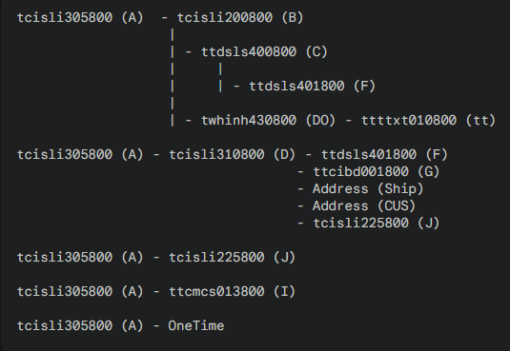
InvoiceID | Invoices |  |  |  |  |  |  | Modules
Document Date | Invoices |  |  |  |  |  |  | Invoices | A,B,D,J
Vendor/Cus Code | if A= OT then OT else CUS/Vendor | < | < | < | < | < |  | Sales | C,F
Vendor/Cus RegName | ^ | ^ | ^ | ^ | ^ | ^ |  | Terms | I
Vendor/Cus Add1 | ^ | ^ | ^ | ^ | ^ | ^ |  | CTE | Ship,Cus,Onetime
Vendor/Cus Add2 | ^ | ^ | ^ | ^ | ^ | ^ |  | DO | tt,DO
Vendor/Cus Add3 | ^ | ^ | ^ | ^ | ^ | ^
Country | ^ | ^ | ^ | ^ | ^ | ^
Currency | Invoices
Rc/DO Ref | Invoices
CurrencyRate | Invoices |  | CurrencyRate | < | <
PoRef | Invoices
SupInv | Sales Order
Terms | Invoices
InvoiceTotalAmount | Invoices
PartNo | leave blank
Classification | Invoices(set condition in sql)
ItemDescription | Invoices
InvoieQty | Invoices
OrderUOM | Invoices(set condition in sql)
UnitPrice | Inv/SO(set condition in sql)
TaxType | 6 | 6 | 6 | 6 | 6 | 6
TaxRate | 0 | 0 | 0 | 0 | 0 | 0
TaxAmount | 0 | 0 | 0 | 0 | 0 | 0
TaxPrice | 0 | 0 | 0 | 0 | 0 | 0
ItemAmt | Invoices
ShipRecName | if A= OT then OT else SHIP | < | < | < | < | <
ShipAdd1 | ^ | ^ | ^ | ^ | ^ | ^
ShipAdd2 | ^ | ^ | ^ | ^ | ^ | ^
ShipAdd3 | ^ | ^ | ^ | ^ | ^ | ^
EInvRefNo | ^ | ^ | ^ | ^ | ^ | ^
Vendor/Cus City | Get from BP then clean in PHP | < | < | < | < | <
Vendor/Cus Tel | ^ | < | < | < | < | <
CustomForm1 | Sinv!CustomForm1 | NA | NA | NA | NA | NA

Sinv
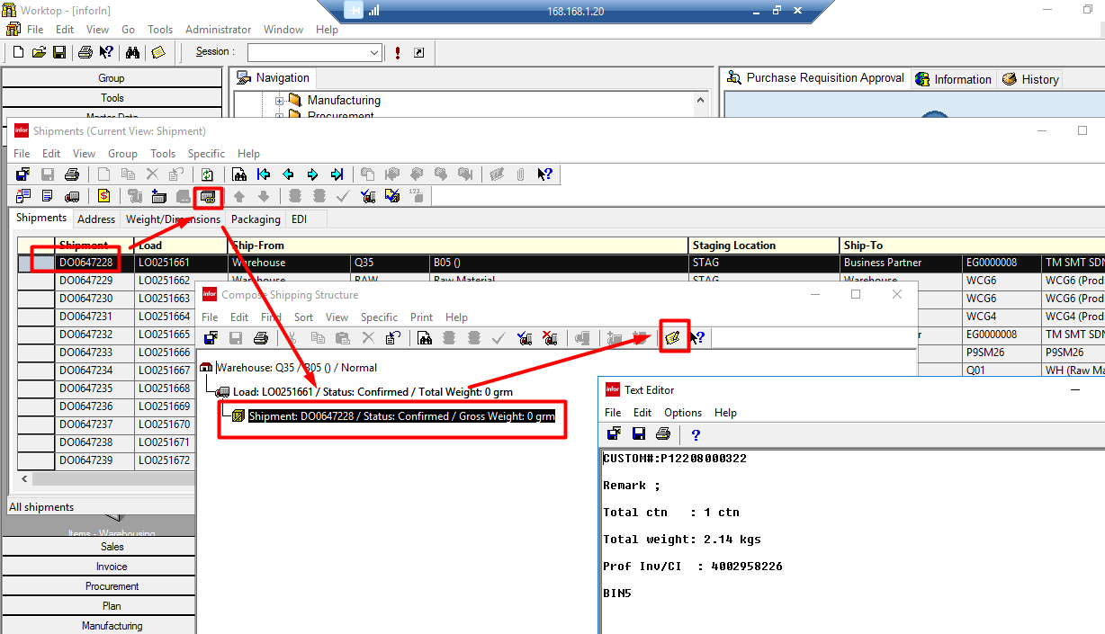
Invoices

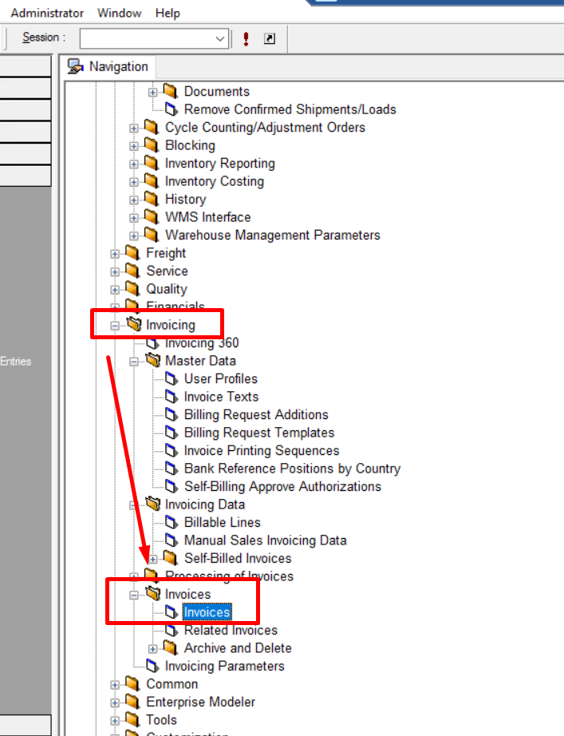

 |  | Sales Order

 |  | DO

 |  | CustomForm1

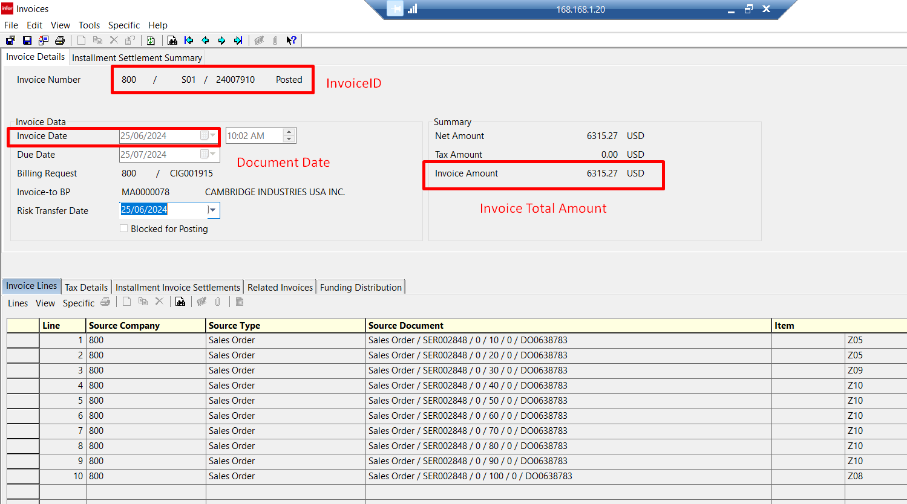

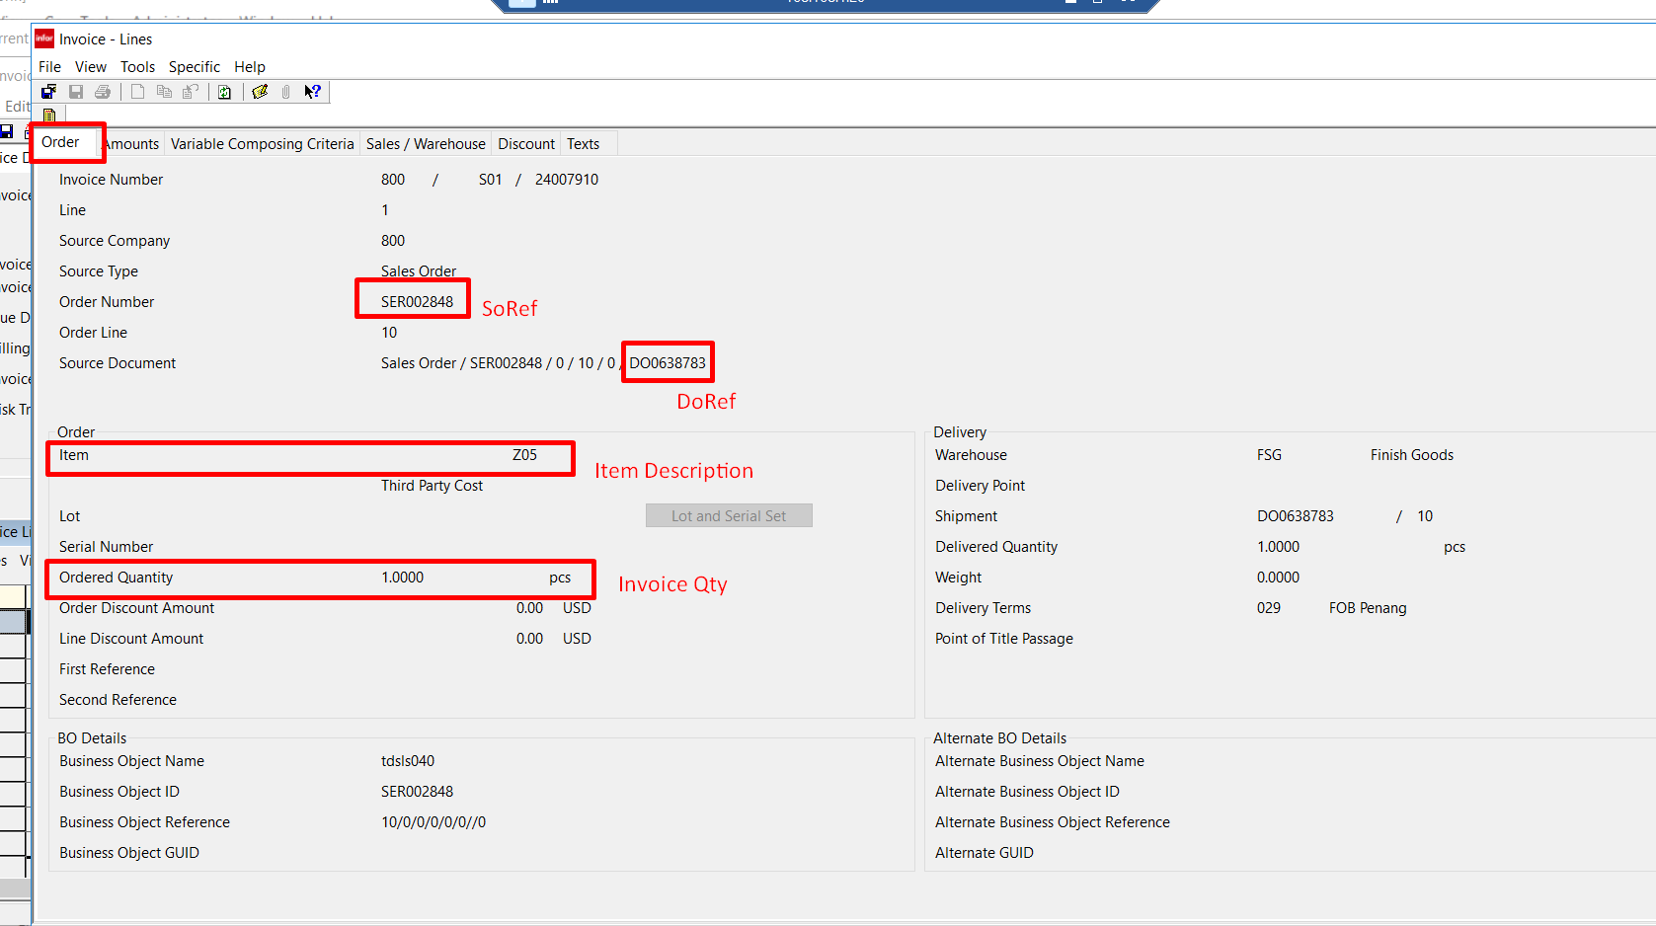

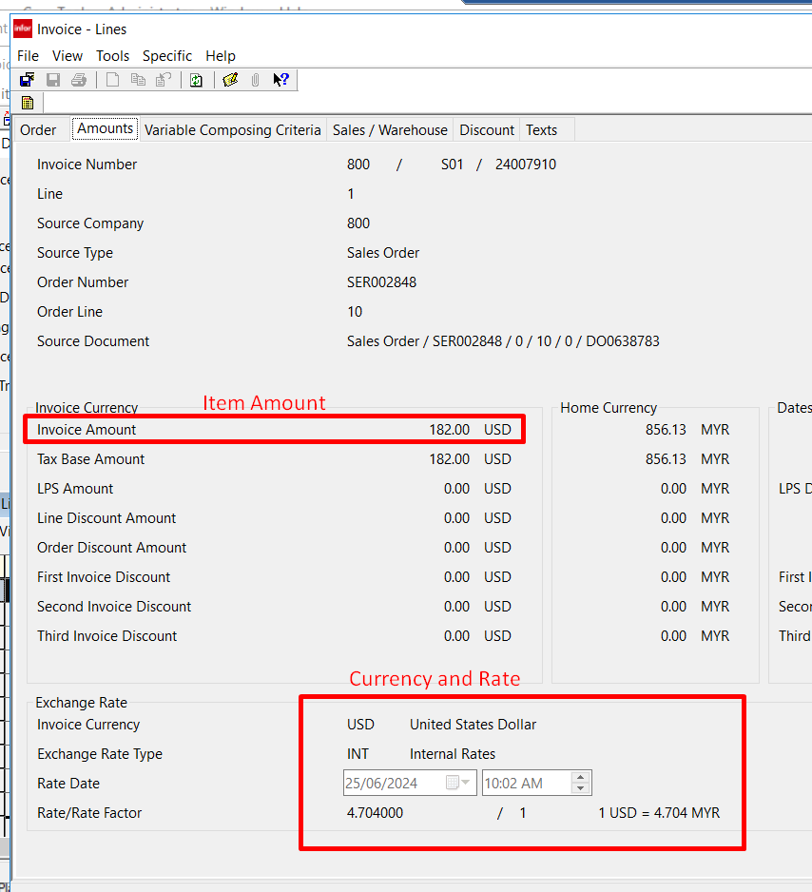

Sales Order

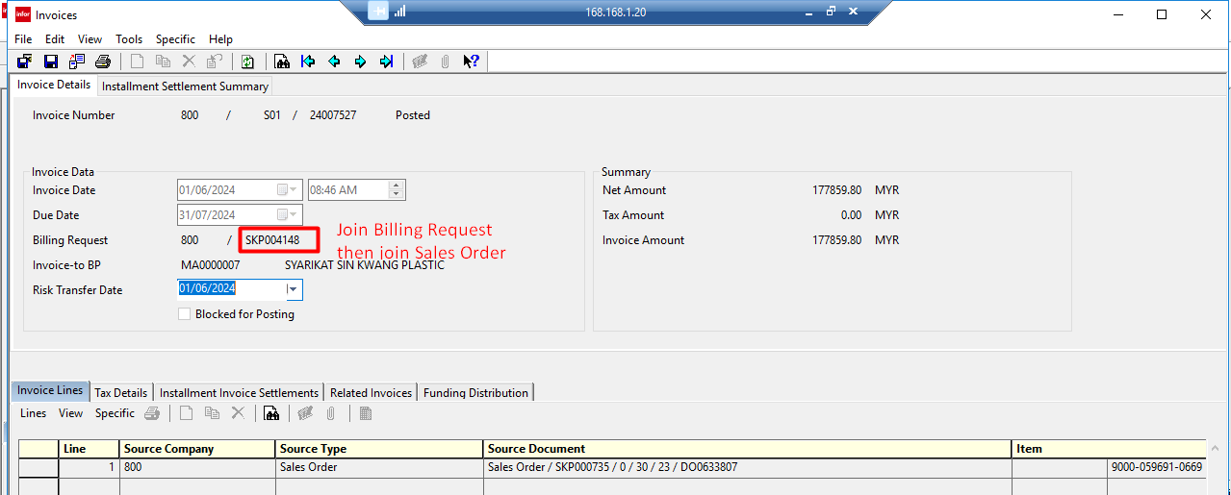

*remark | hit issue if join sales order by Invoice Details

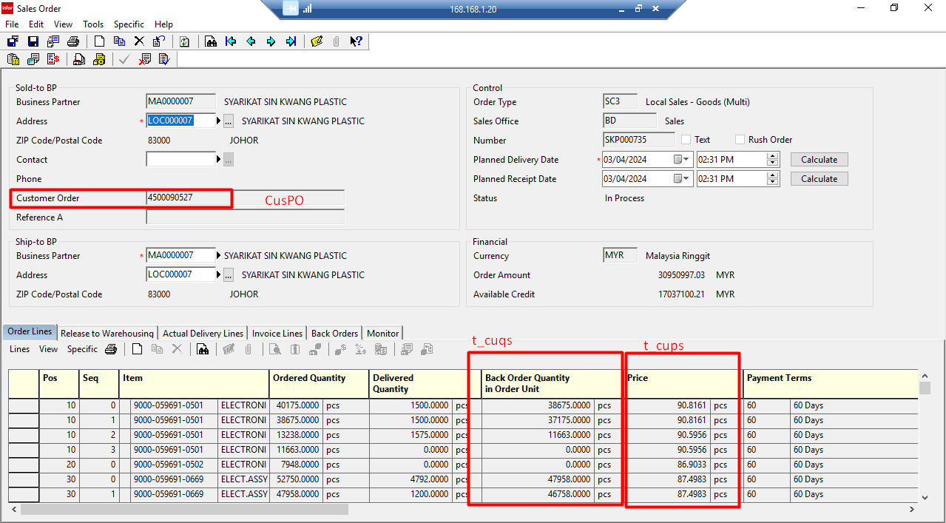

DO

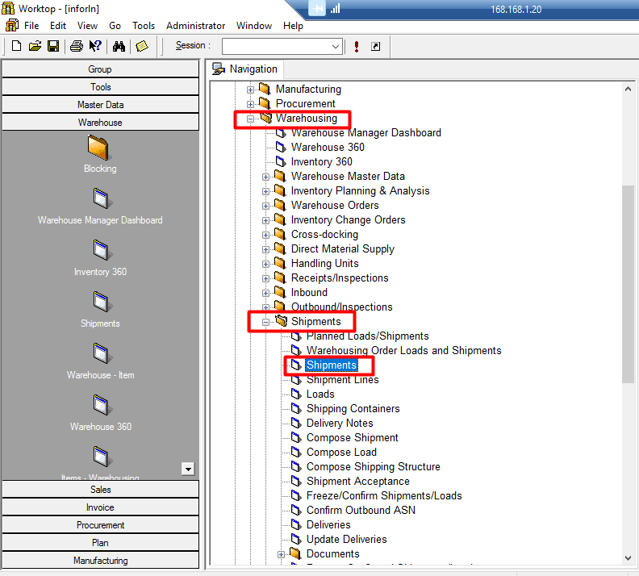

CustomForm1

ARCNDN
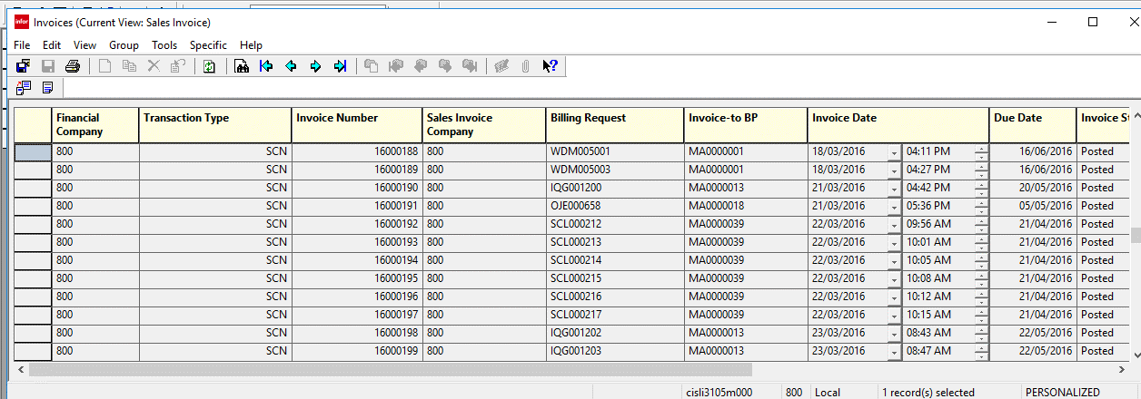
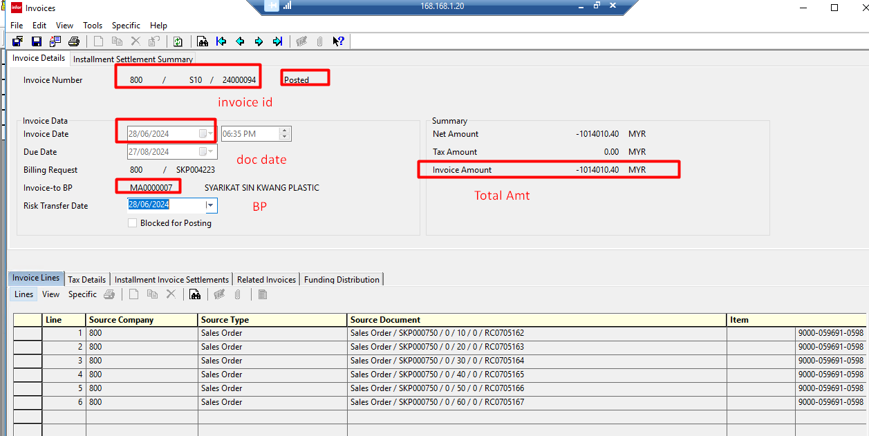
ARCNDN

Pinv
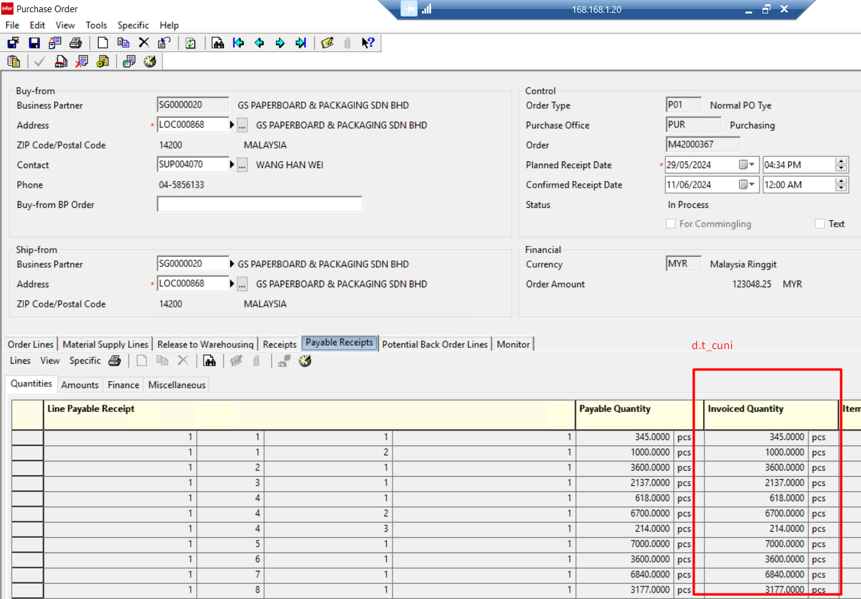
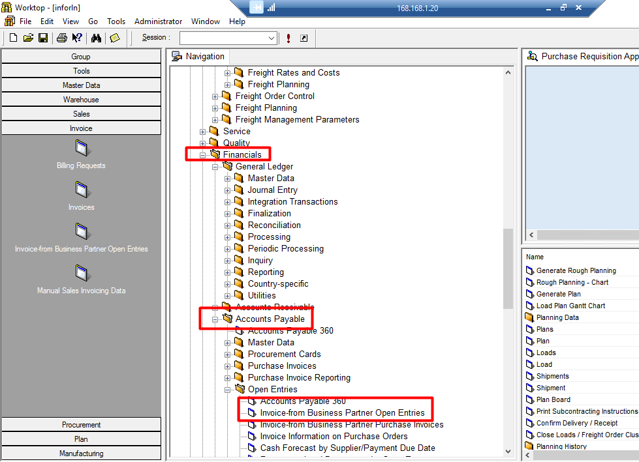

 |  | Don’t use ttfacp256800 if decide to modify, record only appear in data table only if open in front end

 |  | CurrencyRate

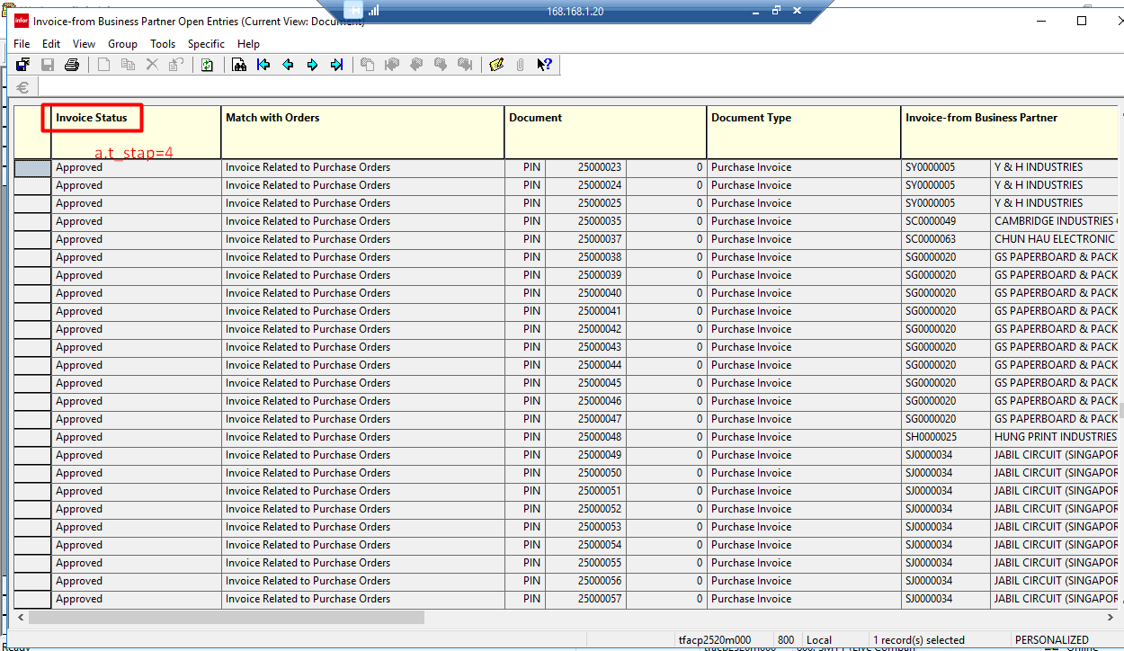

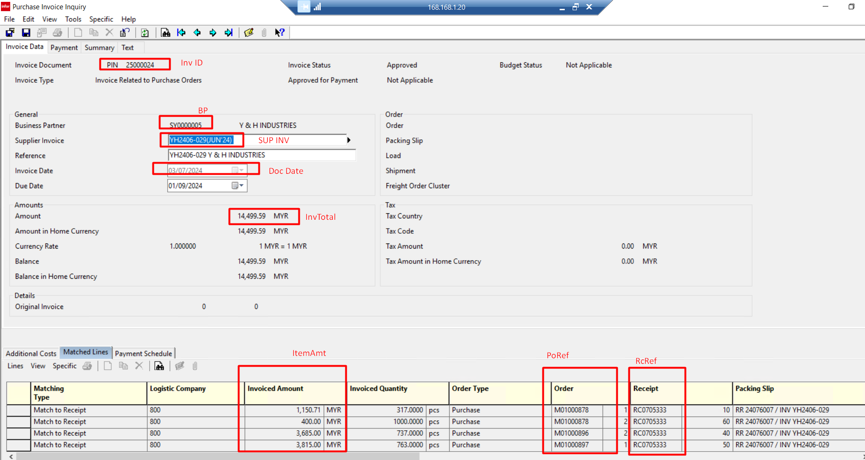

InvQty

 | Don’t Get currency rate from invoice as it updated to the latest everytime, instead, follow the currecy rate in the currecy rate table based on document date
 | Image below shows query to get currency rate based on document date

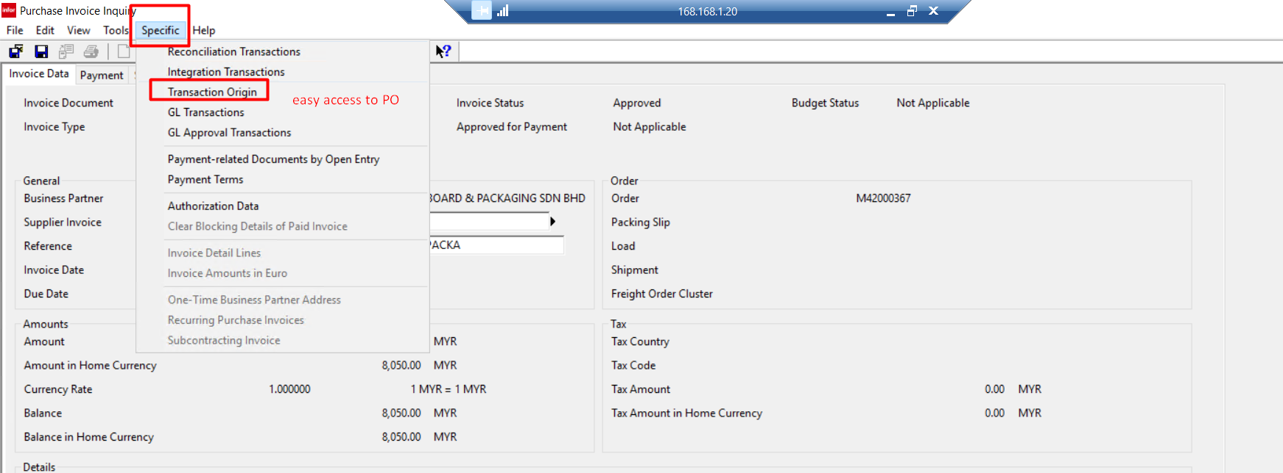

find every possible combination to get the unit convertion price

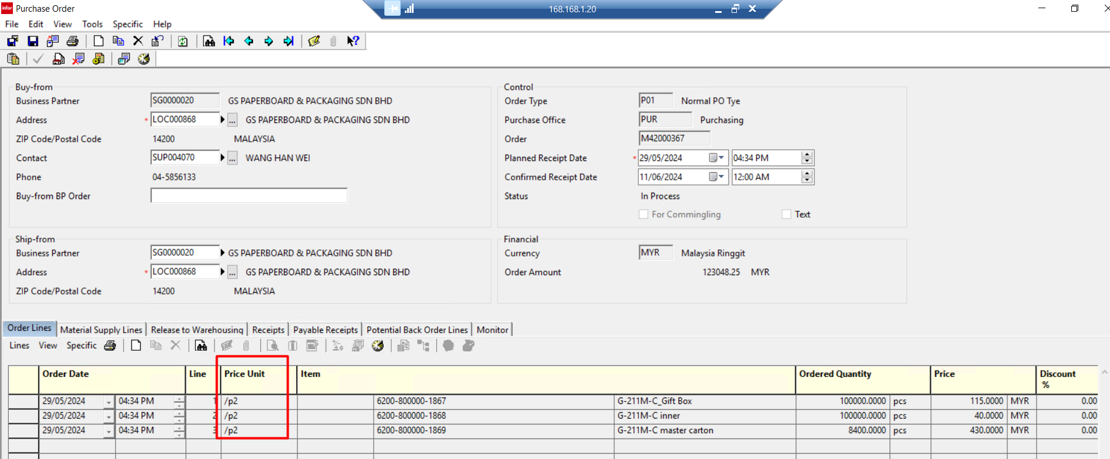

d.t_pric

d.t_cupp

